HRV
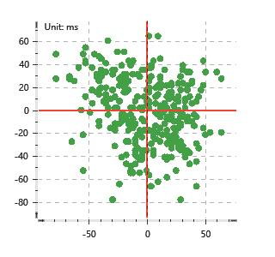
Data Info
 | Recording | 记录003
 | Subject | 趙文莉
 | Create Time | 2024-07-04 15:46:05.636
 | Data Name | Chest1 ECG
 | Data Type | ECG
 | Sample Rate | 512
 | Segment | 后静息态
 | Start Time | 0:58:09
 | End Time | 1:03:09
 | Duration | 0:05:00

Replay Chart
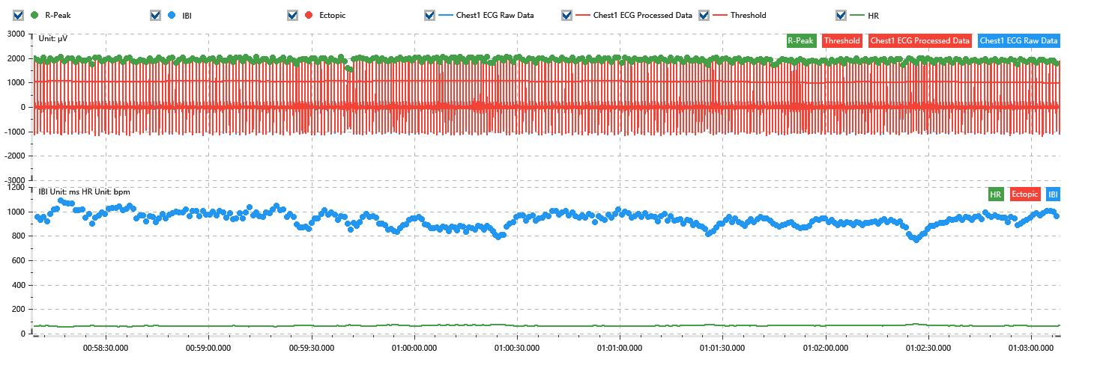

Process parameters
 | Filters
 | Wavlet filter | Enabled | 中
 | Amplitude normalization | Disabled | 中
 | High Pass filter | Enabled | 1μV
 | Band Stop filter | Enabled | 50μV
 | Low Pass filter | Enabled | 100μV
 | Interbeat Interval
 | R-Peak extraction | Maximum heart rate | 120bpm
 | R-Peak extraction | Threshold | 70%
 | Extopic detection | Percent | Disabled | 20%
 | Extopic detection | Median | Enabled | 4(samples)
 | Extopic correction | 中值 | 5(samples)

Time Domain
 | MeanIBI | MeanHR | SDNN | SDANN | RMSSD | SDSD | PNN50 | PNN20 | Data Length
 | 929.72ms | 65bpm | 55.61ms | 0ms | 28.17ms | 28.22ms | 6.56% | 51.25% | 321

Frequency Domain
 | Band | Range | Power | Power Percent | Power Normalized | Peak | Data Length
 | ULF | 0 - 0.0033Hz | 174.6ms² | 6.8% | 0 | 0Hz | 4
 | VLF | 0.0033 - 0.04Hz | 1413.39ms² | 55.02% | 0 | 0Hz | 37
 | LF | 0.04 - 0.15Hz | 823.97ms² | 32.07% | 0.84 | 0.04Hz | 113
 | HF | 0.15 - 0.4Hz | 157.11ms² | 6.12% | 0.16 | 0.38Hz | 256

 | Total Power | 2569.07ms² | LF/HF | 5.24 | VLF/ULF | 0.12
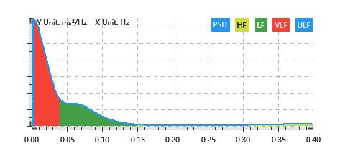

Nonlinear
 | Poincare | SD1 | 19.95ms | SD2 | 76.07ms
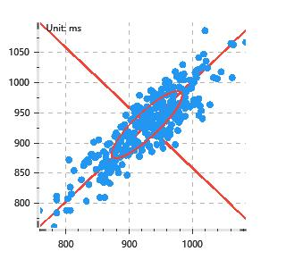

 | Scatter | A++ | 72 | B-- | 59

